ITP-022
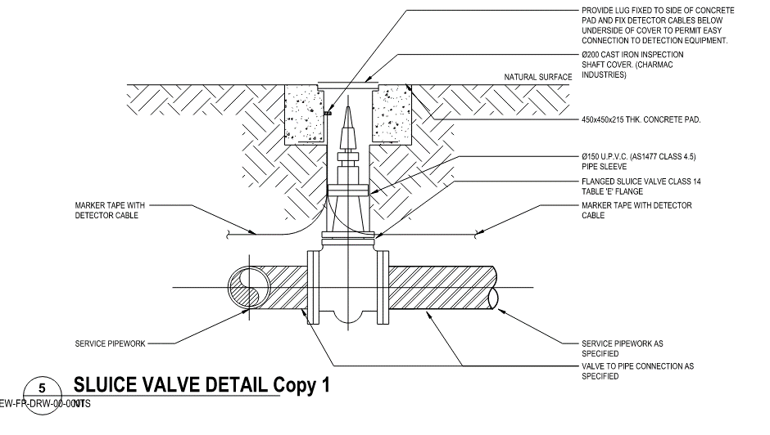
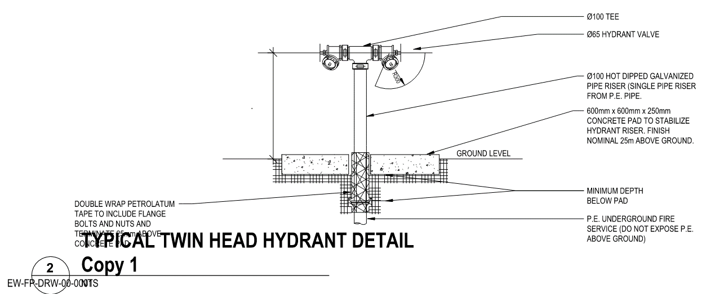
 |  |  | Inspection and Test Plan - Control and Supervision of the Works |  |  |  |  |  |  |  | Document # GT4-ITP-019
 |  |  |  |  |  |  |  |  |  |  | Revision : 0 |  | Date: 10/04/2024

Client: |  | Hobart International Airport Pty Ltd |  | Construction Process: |  | Prepared by: |  | Reviewed by : |  |  | Approved by :
Project: |  | Project Mercury Early Works At Hobart International Airport |  | Fire Services Installation |  | Name: | Carter Lawson -Kelleway | Name: | Carter Lawson -Kelleway (VOC by David Hart) |  | Name:
Contract No: |  | MER-EW-001 |  | Specifications: Hobart Airport Project Mercury - Early Works Fire Protection Specification
 |  |  |  | Structure / Component: Fire Services |  | Signed : | Carter Lawson -Kelleway | Signed : | Carter Lawson -Kelleway |  | Signed :
 |  |  |  | Location: Hobart International Airport |  | Date : | 10/04/2024 | Date : | 10/04/2024 |  | Date :

Item | Task/Activity Description |  | Inspection / Controls and Verification Detail |  |  |  |  | HP/ WP/ AP/ IP/ TP | Responsibility | Checked by:
No. |  |  | Frequency | Acceptance Criteria | Reference Documents | Inspection / Test Method | Record of conformity |  | Project Engineer Site Engineer Superintendent Surveyor Foreman | Client | Fulton Hogan | FH's Subcontractor | Date
1 | Preliminary Works
1.1 | Check that current revision drawings are being used |  | Prior to Commencing Work | Issued For Construction (IFC) and latest available revision used | IFC Project Drawings/ Drawing Register | Document review | Latest revision IFC drawings | *WP | Site Engineer | N/A |  | N/A
1.2 | Confirm understanding of current EMP related to the work area and that all prescribed environmental controls are in place |  | Prior to Commencing | All environmental measures to be implemented as per current CEMP and local authorities. Sediment control measures to be installed and protected vegetation to be clearly identified | CEMP, Site induction | Document review & Site inspection | ITP signed | *WP | Site Engineer | N/A |  | N/A
1.3 | Traffic Management (When required) |  | Prior to Commencing Work | Approved TMP and WASIN (where required) | Applicable TMP | Document review & Site inspection | Approved TMP | *HP | Site Engineer | N/A |  | N/A
1.4 | Survey set out works |  | Prior to Commencing Work | Survey activities undertaken to ensure and validate that all works meet level and location requirements. The establishment and integrity of the survey network shall be verified before commencing any survey and set out activity. IFC and latest available revision used. | IFC Project Drawings | Site inspection | Survey records & marks on the ground. This ITP Signed off. | *HP | Site Engineer / Surveyor / Superintendent |  |  | N/A
2 | Material Conformance
2.1 | Water Pipes, Valves and fittings |  | Every batch of new material | Fire Service pipe material to be free from defects and meet the following schedules As per B.6.1 Fire Pipe Schedule and B.6.2 Valves and Fittings Schedule. | Specification: EW-FP-SPC-0000001(C.) -B.6 - C.6.9 -C.6.10 | Verify | ITP signed Receival Inspection Checklist | IP | Site Engineer | N/A |  | N/A
2.2 | Correct embedment / backfill materials onsite |  | Every batch of new material | Inspect bedding and backfill material to ensure suitability. If watermain is to be protected, use stabilised sand or concrete encasement | Specification: EW-FP-SPC-0000001(C.) -C.6.10.2,3,4,6, Drawing(s): EW-FP-DRW-00-0001 | Verify | ITP signed Receival Inspection Checklist | IP | Site Engineer | N/A |  | N/A
3 | Excavation of trenches
3.1 | Trenching details |  | Ongoing | • Trench's to be excavated to conform with IFC drawing details. • Ensure trench width and depth are within tolerance • Ensure trench foundation & wall firm, stiff & suitable •Provide minimum clear space of 100mm between pipe and trench face | Specification: EW-FP-SPC-0000001(C.) -C.6.10.3 Drawing(s): EW-FP-DRW-00-0001 | Verify | ITP signed | IP | Site Engineer | N/A |  | N/A
3.2 | Benching & shielding (where required) |  | As Required | Trench support is required where the trench is more than 1.5 metres, unless the trench has been assessed as safe by a geotechnical engineer and written confirmation provided as such. | Work Procedure | Verify | ITP signed | *HP | Site Engineer | N/A |  | N/A
4 | Watermain Installation
4.01 | Bedding |  | Each Lot | Bedding materials : 7mm single sized aggregate used Bedding Depth: 75-100mm COMPACTED DEPTH, BEDDING MATERIAL INCREASED TO 150mm WHER EEXCAVATING IN ROCK | Specification: EW-FP-SPC-0000001(C.) -C.6.10.5 Drawing(s): EW-FP-DRW-00-0001 | Verify | ITP signed | IP | Site Engineer | N/A |  | N/A
4.02 | Pipe Joints |  | Each Lot | Ensure pipe joint deflection is acceptable, as per drawings and product specifications. Ensure all Butt Fusion Welds are completed are correctly (butt fusion weld indicator showing). Prior to completing any works on existing infrastructure, ensure line is isolated. | Specification: EW-FP-SPC-0000001(C.) -B.6.1 | Verify | ITP signed, photo of each joint | IP | Site Engineer | N/A |  | N/A
4.03 | Pipe Embedment |  | Each Lot | Horizontal alignment of a completed length of pipework is laid beneath areas of normal usage but where passing under areas of vehicular traffic must be subject to a minimum cover of 750mm or as otherwise directed A minimum cover of 450mm and 750 mm for pipework must be provided under unpaved and paved area respectively 7mm Aggreate in Embedment layer. | Specification: EW-FP-SPC-0000001(C.) -C.6.10.1,3 Drawing(s): EW-FP-DRW-00-0001 | Verify | ITP signed | IP | Site Engineer | N/A |  | N/A
4.04 | Survey pickup of Services |  | Each Lot prior to Backfill | Survey pick for As-built to be completed prior to Backfill | Work Procedure | Verify | ITP Signed | *HP | Site Engineer | N/A |  | N/A
4.05 | Pipe Backfill Material |  | Each Lot | A compacted sand bed of 75mm minimum thickness over earth or 150mm minimum thickness over rock must be provided. The pipework must be topped with 100mm minimum thickness of sand compacted carefully by watering and hard or light vibratory tamping to a dense tight state. | Specification: EW-FP-SPC-0000001(C.) -C.6.10.2,3,4,6, Drawing(s): EW-FP-DRW-00-0001 | Verify | ITP signed | IP | Site Engineer | N/A |  | N/A
4.06 | Pipe Backfill Compaction |  | Subbase one test per 1000 sq.m | Backfill compacted in <= 250mm loose layers to achieve minimum density R_D 95% (MDDR = 95%). | Drawing(s): EW-FP-DRW-00-0001 | Test report | ITP signed | TP | Site Engineer | N/A |  | N/A
4.07 | Marking Tape |  | Each Lot | Tape widths must be as recommended by the manufacturer for the size of pipe to be covered but must be not less than 75mm wide for pipework up to 50mm dia. DETECTABLE IDENTIFICATION -TAPE-300mm MINIMUM ABOVE PIPE. | Drawing(s): EW-FP-DRW-00-0001 | Verify | ITP signed | IP | Site Engineer | N/A |  | N/A
4.08 | Valves |  | Each Lot | • Install valves in the vertical position and provide surface fittings and valve markings in accordance with Drawings • Inspect the valve for damage. Repair any damage to the external coating in accordance with the manufacturer’s instructions • Check the valve and off-take clamp flanges to ensure the sleeves fit in the bolt holes. Trim insulation sleeves such that they join inside one flange, and not at the flange joint. • Ø150 U.P.V.C. (AS1477 CLASS 4.5) PIPE SLEEVE to be installed | Drawing(s): EW-FP-DRW-00-0001 SLUICE VALVE DETAIL | Verify | ITP signed | WP | Site Engineer | N/A |  | N/A
4.9 | Hydrants and Valve Covers |  | Each Lot | •Ø100 HOT DIPPED GALVANIZED PIPE RISER (SINGLE PIPE RISER FROM P.E. PIPE.) to be installed. • 600mm x 600mm x 250mm CONCRETE PAD TO STABILIZE HYDRANT RISER. FINISH NOMINAL 25m ABOVE GROUND. Ø200 CAST IRON INSPECTION SHAFT COVER (Valves • Refer to Table B.6.1 | Specification: EW-FP-SPC-0000001(C.) -C.6.10.2,3,4,6, Drawing(s): EW-FP-DRW-00-0001 EW-FP-DRW-20-0004 EW-FP-DRW-10-0001 | Verify | ITP signed | WP | Site Engineer | N/A |  | N/A
4.1 | Thrust blocks |  | Where required | Thrust blocks must be installed in systems with unrestrained anchors. | Specification: EW-FP-SPC-0000001(C.) -C.6.10.2,3,4,6, Drawing(s): EW-FP-DRW-00-0001 | Verify | ITP signed | WP | Site Engineer | N/A |  | N/A
5 | Testing
5.1 | Compaction Testing (when applicable) |  | Completion of pipe installation & fittings. | Undertake field density testing of trench fill in accordance with the methods specified within Specifcation and Drawings. Testing not required where stablised sand is substitued for rock. | Specification: EW-FP-SPC-0000001(C.) | Compaction Testing | ITP signed, Test Records | WP | Site Engineer / Superintendent | N/A |  | N/A
5.2 | Pipeline Pressure Testing |  | Completion of pipe installation & fittings. | Undertake pressure testing of pipelines in accordance with the methods specified in Specification: EW-FP-SPC-0000001(C.). Refer to Table B.6.1 - Fire Pipe Schedule and AS2419 - Section 7 for test requirements. | Specification: EW-FP-SPC-0000001(C.) AS2419 - Section 7 | Pressure Testing | ITP signed, Test Records | WP | Site Engineer / Superintendent | N/A |  | N/A
6 | Completion
6.1 | As constructed drawings |  | Each Lot | Ensure all conduit deviations are captured on redline drawings for updating the IFC Drawings, and providing asbuilt data. | Drawing(s): EW-FP-DRW-00-0001 EW-FP-DRW-20-0004 EW-FP-DRW-10-0001 EW-FP-DRW-20-0001 | Verify | ITP signed | IP | Site Engineer | N/A |  | N/A

 | Final Inspection
 | The signature below verifies that this ITP has been completed in accordance with the FH’s Quality system Procedures and verifies lot compliance with specifications.
 | Print Name: | Carter Lawson-kelleway | Position: | Site Engineer | Signature: | CLK |  |  |  | Date: | 2024-06-21

Legend
HP | Hold Point | Work shall not proceed past the HP until released by the Superintendent |  |  | IP | Inspection point |  | Formal Inspection to be done and recorded
HP* | FH Hold Point | Work shall not proceed past the HP* until released by FH |  |  | TP | Test Point |  | Product compliance test to be undertaken and recorded/reported
AP | Approval Point | Written or verbal approval given by the Superintendent
WP | Witness Point | An inspection which must be witnessed by the Superintendent |  |  | WP* | Fulton Hogan Witness Point |  | An inspection which must be witnessed by Fulton Hogan Representative

Table B.6.1 - Fire Pipe Schedule |  |  |  |  | Table B.6.2 - Valves and Fittings Schedule
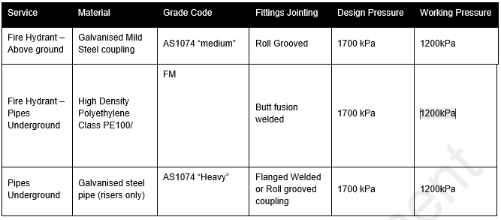
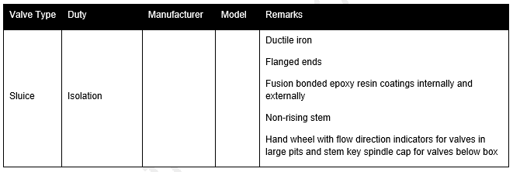

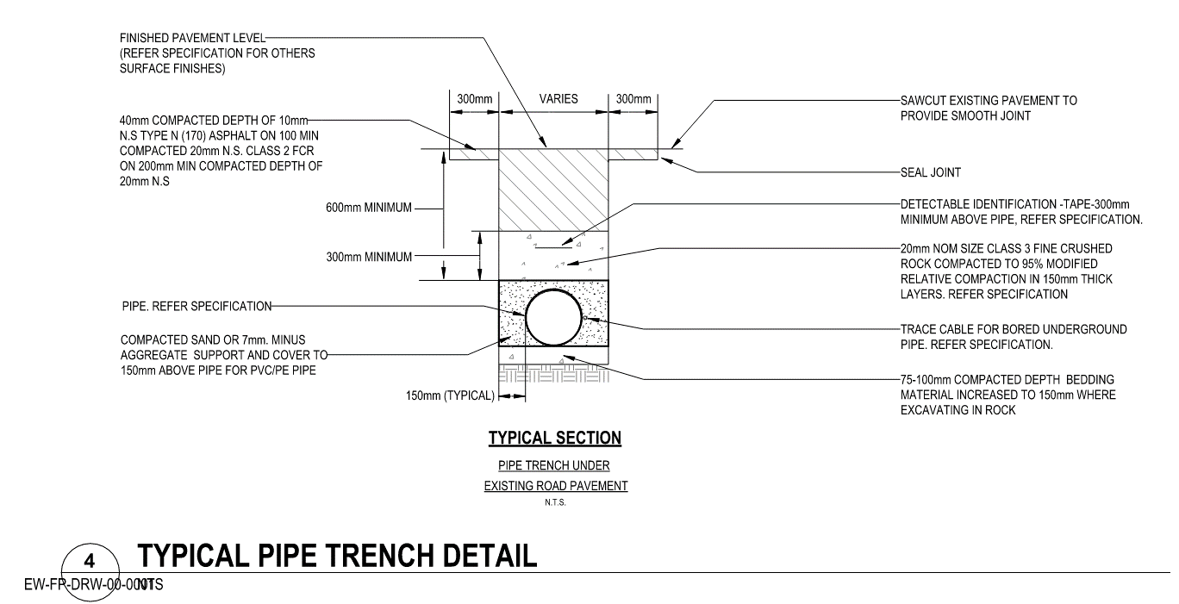
TYPICALS-EW-FP-DRW-00-0001

